Introduction
 | Financial Impacts of Climate Calculator (FICC) v5
 | This calculator facilitates quantitative disclosures of potential climate change-related impacts on financial statements, plus the financial impacts if action is taken to mitigate those risks and capture associated opportunities.

 | TCFD Recommendation
 | The Task Force on Climate-Related Financial Disclosures (TCFD) recommends disclosure of the financial impacts of climate-related risks and opportunities on an organization. That is, in order to make better informed financial decisions, investors, lenders, and insurance underwriters need to understand how climate-related risks and opportunities are likely to materially impact an organization’s future financial position as reflected in its income statement, cash flow statement, and balance sheet, as outlined in Figure 1 in its report.1

 |  | 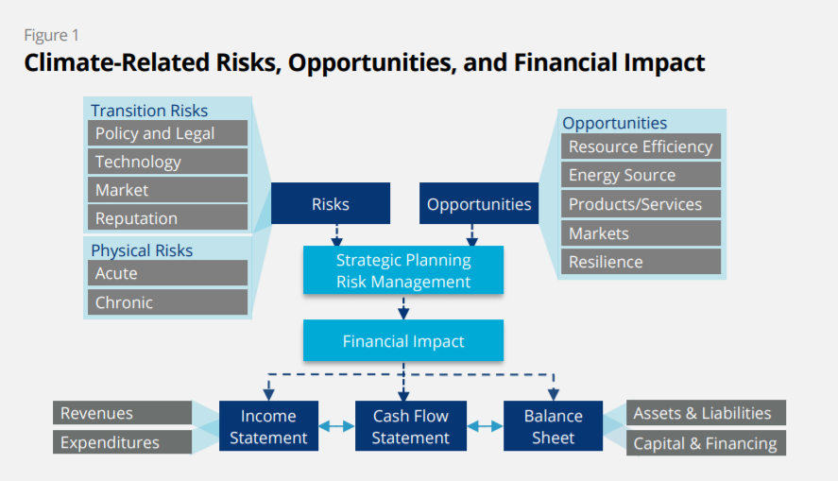

 | Project 50x30
 | The opportunities in the above figure will only be realized if companies take action to mitigate the identified risks. To that end, the 2021 TCFD fourth status report requests disclosure of companies’ plans to transition to a net-zero economy.2 That is, companies are asked to disclose plans to take action to cut greenhouse gas (GHG) emissions 50% by 2030, and 100% by 2050.3 Project 50x30 (50% by 2030) would enable the company to mitigate climate-related financial risks and capture financial opportunities by reaching the first milestone on its net-zero journey. This kind of project is appropriate for all companies, regardless of sector. This calculator frames how climate-related risks and opportunities are likely to impact an organization’s future financial statements, with and without Project 50x30.

 | Predicting the unpredictable
 | The challenge for businesses is the uncertainty that surrounds the potential impacts of climate change. Factors that contribute to this uncertainty include: long term time horizons; unknown scale and timing of impacts; lack of clarity regarding future public polices and regulatory frameworks; and shifting customer preferences across market segments. On the other hand, failure to address this uncertainty may leave the organization vulnerable to reputational damage, unable to adapt to changing circumstances, unable to meet increased costs, or unable to capitalize on commercial opportunities to invest in products and services which respond to changing consumer demands. The Accounting for Sustainability (A4S) CFO Leadership Network's "Essential Guide to Managing Future Uncertainty" has practical advice on how to identify and assess the impacts of risks and emerging issues arising from macro sustainability trends like climate change.4 A benefit of this tool is the management discussions and long-term strategic thinking that it triggers.

 | Mapping FICC to TCFD-recommended disclosures
 | The TCFD recommends disclosures of how climate-related factors are taken into account in the organization's governance, strategy, risk management, and metrics. See the Appendix A - Mapping to TCFD for how and where FICC provides the decision-useful information requested for each recommended disclosure.

 | Financial Impacts of Climate Calculator (FICC) vs Financial Impacts of Climate Form (FICF)
 | Two free, open-source tools support TCFD-recommended disclosures of potential climate change-related impacts on financial statements. Both are available from the Financial Impacts of Climate Estimators webpage, at the link below. The Financial Impacts of Climate Form (FICF) provides qualitative disclosures. It assesses the financial impacts as Low / Medium / High, and time horizons as Short-term / Medium-term / Long-term. The company defines the meanings of those terms in dollar ranges and time horizons, respectively. The Financial Impacts of Climate Calculator (FICC) ‒ this tool ‒ provides quantified disclosures. It describes the financial impacts in dollar amounts and the time horizons in specific years. Because it uses quantified amounts, it is able to generate graphs of cash flow and profit impacts. It also calculates the ROI / cost-benefit analysis of Project 50×30 to support the company’s decision to undertake it.

 | Financial Impacts of Climate Estimators

 | Legend
 | Yellow fields are for user input. Starting examples illustrate how the calculation formulas work. Overwrite them with real company data.
 | Light purple fields are auto-calculated based on the content of yellow fields. Any user entries in these cells will overwrite their formulas.
 | White fields are used for instructions, explanations, or labels for adjacent fields
 | Light blue fields with a "i" have additional explanations and information for adjacent fields. Mouse-over the "i" to reveal the guidance.

Footnotes / Resources
1 | "Recommendations of the Task Force on Climate-Related Financial Disclosure," TCFD Final Report, June 2017.
2 | "TCFD: 2021 Status Report," TCFD fourth status report, September 2021.
3 | "The Net-Zero Standard," Science Based Targets, November 2021.
4 | "Essential Guide to Managing Future Uncertainty," Accounting for Sustainability (A4S) CFO Leadership Network, April 2016.
5 | Appendix 1: Climate-Related Risks, Opportunities and Financial Impacts in "Implementing the Recommendations of the Task Force on Climate-related Financial Disclosures," Updates to the 2017 Annex, TCFD, October 2021.
6 | "Sustainability ROI Workbook," Sustainability Advantage, 2017.

 | Terms of Use This tool was developed by Bob Willard / Sustainability Advantage. It is freely available from the sustainabilityadvantage.com website. The tool is published under a Creative Commons-Attribution ShareAlike 4.0 International license. That is, users are free to share (copy and redistribute the material in any medium or format) and adapt (remix, transform, and build upon) the material for any purpose, even commercially, with appropriate attribution. Use of the tool is at the user's own risk. Sustainability Advantage shall accept no liability in respect of any business, lending, or investment decisions which users choose to base in whole or in part on the use of this tool or its output. Feedback: The tool is being continuously improved. Your suggestions are welcome. Please send your ideas to the email below. Thanks.
 | bobwillard@sustainabilityadvantage.com

Cash Flow & ROI
Cash Flow Impacts & Project ROI
Investors, lenders, and insurance need to know how climate-related risks and opportunities are likely to impact an organization’s future financial position as reflected in its cash flow statement This page shows the anticipated climate change-related impacts on cash flows, and assesses impacts on cash flows if Project 50x30 is undertaken. It also shows the ROI for Project 50x30, with and without factoring in the value of avoided risks.
Note that all data on this page is populated by values from other pages. To change any values, change them on their source pages.

Risks to Cash Flows … if Project 50x30 is not undertaken
This shows the impact on cash flows if no action is taken to mitigate the negative impacts of climate change.
Potential risks to cash flows |  | Full potential value | Year 1 % and amount | Year 2 % and amount | Year 3 % and amount | Year 4 % and amount | Year 5 % and amount | Year 6 % and amount | Year 7 % and amount | Year 8 % and amount
Value of net impact of revenue losses |  | -$2,117,500 | ($105,875) | ($211,750) | ($635,250) | ($1,058,750) | ($1,694,000) | ($2,117,500) | ($2,117,500) | ($2,117,500)
Value of expense increases |  | -$14,813,900 | ($740,695) | ($1,481,390) | ($4,444,170) | ($7,406,950) | ($11,851,120) | ($14,813,900) | ($14,813,900) | ($14,813,900)
Potential risks to cash flows |  | -$16,931,400 | ($846,570) | ($1,693,140) | ($5,079,420) | ($8,465,700) | ($13,545,120) | ($16,931,400) | ($16,931,400) | ($16,931,400)

Opportunities for improvements in Cash Flows … if Project 50x30 is undertaken
This shows the impact on cash flows if action is taken (i.e., Project 50x30) to mitigate the negative impacts of climate change and capture associated opportunities. For comparison purposes, the impact on cash flows with and without the value of avoided risks is calculated, depending on the normal accounting approach used by the organization for avoided risks.
Potential contributors to cash flows |  | Full potential value | Year 1 % and amount | Year 2 % and amount | Year 3 % and amount | Year 4 % and amount | Year 5 % and amount | Year 6 % and amount | Year 7 % and amount | Year 8 % and amount
Value of net contribution of revenue increases |  | $5,950,000 | $297,500 | $595,000 | $1,785,000 | $2,975,000 | $4,760,000 | $5,950,000 | $5,950,000 | $5,950,000
Value of expense savings |  | $14,757,000 | $737,850 | $1,475,700 | $4,427,100 | $7,378,500 | $11,805,600 | $14,757,000 | $14,757,000 | $14,757,000
Potential improvement in annual cash flows, excluding the value of avoided risks |  | $20,707,000 | $1,035,350 | $2,070,700 | $6,212,100 | $10,353,500 | $16,565,600 | $20,707,000 | $20,707,000 | $20,707,000
Value of avoided revenue losses |  | $2,117,500 | $105,875 | $211,750 | $635,250 | $1,058,750 | $1,694,000 | $2,117,500 | $2,117,500 | $2,117,500
Value of avoided expense increases |  | $14,813,900 | $740,695 | $1,481,390 | $4,444,170 | $7,406,950 | $11,851,120 | $14,813,900 | $14,813,900 | $14,813,900
Potential improvement in annual cash flows, including the value of avoided risks |  | $37,638,400 | $1,881,920 | $3,763,840 | $11,291,520 | $18,819,200 | $30,110,720 | $37,638,400 | $37,638,400 | $37,638,400
Cash Flow

ROI for the Project
This shows the ROI for Project 50x30. Because the capital is expended over a period of years (see the Capital Required page), its NPV is used in the calculations. For comparison purposes, the ROI is calculated with and without taking into account the value of avoided risks, allowing for different organizational treatment of those factors when calculating the ROI for projects.
ROI excluding the value of avoided risks |  | Full potential value | Year 1 % and amount | Year 2 % and amount | Year 3 % and amount | Year 4 % and amount | Year 5 % and amount | Year 6 % and amount | Year 7 % and amount | Year 8 % and amount
Net annual cash flow |  | $20,707,000 | $1,035,350 | $2,070,700 | $6,212,100 | $10,353,500 | $16,565,600 | $20,707,000 | $20,707,000 | $20,707,000
Internal Rate of Return (IRR) | 47% | -12,707,982 | $1,035,350 | $2,070,700 | $6,212,100 | $10,353,500 | $16,565,600 | $20,707,000 | $20,707,000 | $20,707,000
Payback period (yrs.) | 3.3 | Cumulative totals | ($11,672,632) | ($9,601,932) | ($3,389,832) | $6,963,668 | $23,529,268 | $44,236,268 | $64,943,268 | $85,650,268
Net Present Value (NPV) | $39,948,926

ROI including the value of avoided risks |  | Full potential value | Year 1 % and amount | Year 2 % and amount | Year 3 % and amount | Year 4 % and amount | Year 5 % and amount | Year 6 % and amount | Year 7 % and amount | Year 8 % and amount
Net annual cash flow |  | $37,638,400 | $1,881,920 | $3,763,840 | $11,291,520 | $18,819,200 | $30,110,720 | $37,638,400 | $37,638,400 | $37,638,400
Internal Rate of Return (IRR) | 68% | -12,707,982 | $1,881,920 | $3,763,840 | $11,291,520 | $18,819,200 | $30,110,720 | $37,638,400 | $37,638,400 | $37,638,400
Payback period (yrs.) | 2.6 | Cumulative totals | ($10,826,062) | ($7,062,222) | $4,229,298 | $23,048,498 | $53,159,218 | $90,797,618 | $128,436,018 | $166,074,418
Net Present Value (NPV) | $82,060,040

What if the ROI is not good enough?
The CFO Leadership Network's "CAPEX" Essential Guide1 reminds us that when appraising competing capital expenditure (CapEx) requests, there are four weighted factors to consider: 1. Which investment / project will yield the best ROI (IRR, Payback period, NPV) - see above 2. Which investment / project will have the best impact on revenue and expenses - see the opportunity sections of the Revenue Impacts and Expense Impacts pages 3. Which investment / project will mitigate / avoid risks the best - see the risk sections of the Revenue Impacts and Expense Impacts pages 4. Which Investment / project aligns best with the organization's Purpose, Vision, Values and strategic goals - see Appendix B: Governance. When deciding whether to undertake Project 50x30 and comparing it to other CapEx opportunities, ensure that all four factors are being apprised, not just ROI, and that they are given consistent weights when comparing CapEx requests. Often a company with a multi-stakeholder purpose (e.g., to maximize the wellbeing of all stakeholders, including the environment and society) weights the "alignment with purpose" factor the highest. How heavily would your company need to weight the Purpose / Vision / Values factor to ensure Project 50x30 is undertaken?
...

Income Statement Impacts
...
Annual Profit Impact … if Project 50x30 is not undertaken
Percentage decrease in profit |  | -2% | -5% | -15% | -24% | -39% | -48% | -48% | -48%

Annual Profit Impact … if Project 50x30 is undertaken, excluding employee-related factors
This shows the impact on profits if action is taken (i.e., Project 50x30) to mitigate the negative impacts of climate change and capture associated opportunities.
Opportunities to improve profit | Full potential value | Year 1 % and amount | Year 2 % and amount | Year 3 % and amount | Year 4 % and amount | Year 5 % and amount | Year 6 % and amount | Year 7 % and amount | Year 8 % and amount
Value of net contribution of revenue increases | $5,950,000 | $297,500 | $595,000 | $1,785,000 | $2,975,000 | $4,760,000 | $5,950,000 | $5,950,000 | $5,950,000
Value of expense savings | $14,757,000 | $737,850 | $1,475,700 | $4,427,100 | $7,378,500 | $11,805,600 | $14,757,000 | $14,757,000 | $14,757,000
Net annual improvement in bottom line / profit | $20,707,000 | $1,035,350 | $2,070,700 | $6,212,100 | $10,353,500 | $16,565,600 | $20,707,000 | $20,707,000 | $20,707,000
Current profit | $35,000,000 | This is copied from the Company Profile page.
Percentage increase in profit |  | 3% | 6% | 18% | 30% | 47% | 59% | 59% | 59%
Profit Change

Appendix A - Mapping to TCFD
Appendix A - Mapping FICC to TCFD Disclosures

Recommended TCFD Disclosures
The October 2021 TCFD guidance on implementing TCFD recommendations includes this figure.1
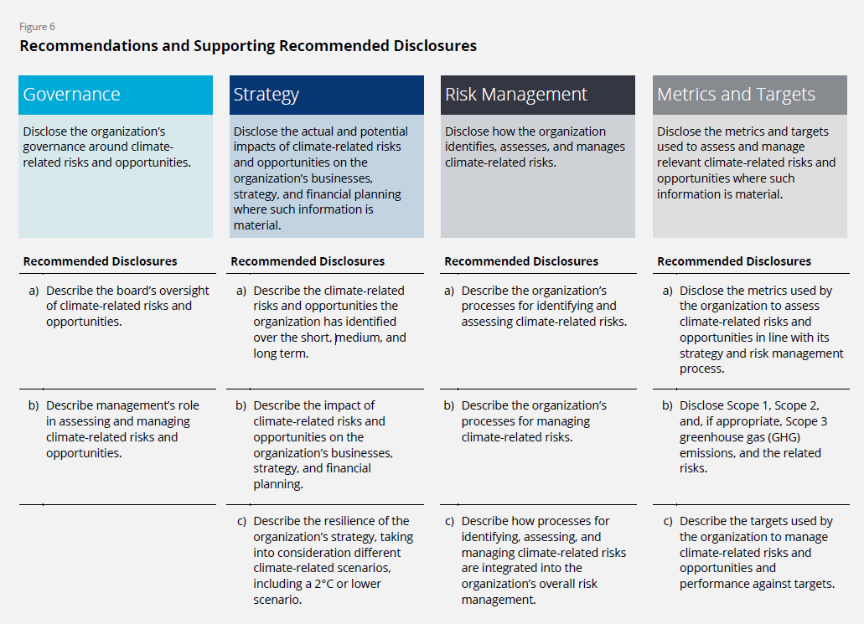

Mapping FICC to TCFD guidance
The October 2021 report provides detailed guidance for all sectors on what to include in each of the 11 disclosures shown in the above figure.1 The table below shows how and where FICC provides the information requested for each disclosure.
TCFD Disclosure Guidance | How and where FICC provides the disclosure
Governance
a) Describe the board’s oversight of climate-related risks and opportunities. • Processes and frequency by which the board and/or board committees (e.g., audit, risk, or other committees) are informed about climate-related issues. • Whether the board and/or board committees consider climate-related issues when reviewing and guiding strategy, major plans of action, risk management policies, annual budgets, and business plans as well as setting the organization’s performance objectives, monitoring implementation and performance, and overseeing major capital expenditures, acquisitions, and divestitures. • How the board monitors and oversees progress against goals and targets for addressing climate-related issues. | These three disclosures about board oversight are explicitly requested in Appendix B - Governance.
b) Describe management’s role in assessing and managing climate-related risks and opportunities. • Whether the organization has assigned climate-related responsibilities to management-level positions or committees; and, if so, whether such management positions or committees report to the board or a committee of the board and whether those responsibilities include assessing and/or managing climate-related issues. • A description of the associated organizational structure(s). • Processes by which management is informed about climate-related issues. • How management (through specific positions and/or management committees) monitors climate-related issues. | These four disclosures about management's role are explicitly requested in Appendix B - Governance.
Strategy
a) Describe the climate-related risks and opportunities the organization has identified over the short, medium, and long term. • A description of what they consider to be the relevant short-, medium-, and long-term time horizons, taking into consideration the useful life of the organization’s assets or infrastructure and the fact that climate-related issues often manifest themselves over the medium and longer terms. • A description of the specific climate-related issues potentially arising in each time horizon (short, medium, and long term) that could have a material financial impact on the organization. • A description of the process(es) used to determine which risks and opportunities could have a material financial impact on the organization. | • To facilitate comparisons, FICC uses a consistent eight-year (2022-2030) horizon. • Each climate-related issue is described in the Revenue Impacts, Expense Impacts and Balance Sheet Impacts pages, both in the line item for each issue and in its associated comment. • The usual (impact x probability) methodology is used to assess and monetize the materiality of each risk, and a probability factor is used to assess and monetize the materiality of each opportunity arising from Project 50x30.
b) Describe the impact of climate-related risks and opportunities on the organization’s businesses, strategy, and financial planning, in the following areas. • Products and services • Supply chain and/or value chain • Adaptation and mitigation activities • Investment in research and development • Operations (including types of operations and location of facilities) • Acquisitions or divestments • Access to capital | These seven areas are included in the description of Project 50x30 in the Project 50x30 page. Their financial impact on climate-related risks and opportunities is calculated on the Balance Sheet Impacts, Cash Flow Impacts and Income Statement Impacts pages, by year.
...

